About


DACD Direct Air Capture Data

Sources : | DAC Potential and energy intensity forecast | Benjamin Lux, Niklas Schneck, Benjamin Pfluger, Wolfgang Männer, Frank Sensfuß,
 |  | "Potentials of direct air capture and storage in a greenhouse gas-neutral European energy system", 2023
 |  | Chapter 2.2.5
 | Price | EU Commission : ASSET Study on Technology pathways in decarbonisation scenarios, page 44, 2018

Notes :
The Cons2050 scenario is taken in order to estimate energy intensity and prices for 2050
Only Low Temperature DAC systems are considered

Data from the European Commission's Asset database are used to calculate costs.
These costs are preferred to the costs given in the article (Lux et al.), even if they are much lower, as the costs given in the Asset document associated with electricity costs seem to be too high for the DAC to be used (much higher than carbon costs).
If the model gives too high a use of the DAC with these prices, they can be modified later.

2018 euro is adjusted to 2018 dollars using the following conversion factor:
0.848 | https://www.irs.gov/individuals/international-taxpayers/yearly-average-currency-exchange-rates
2018 dollars is adjusted to 2012 dollars using the following conversion factor:
0.914
See "cpi.xlsx" in the InputData folder for source information.

Raw data
https://www.iea.org/energy-system/carbon-capture-utilisation-and-storage/direct-air-capture
The European Commission aims to store up to 50 MtCO2 a year by 2030, including from DAC

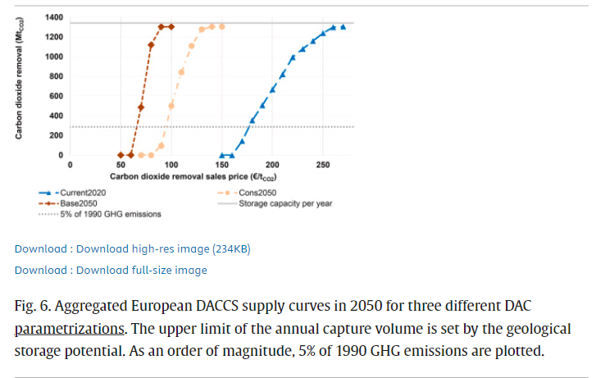
Benjamin Lux, Niklas Schneck, Benjamin Pfluger, Wolfgang Männer, Frank Sensfuß,
"Potentials of direct air capture and storage in a greenhouse gas-neutral European energy system", 2023
Chapter 2.2.5
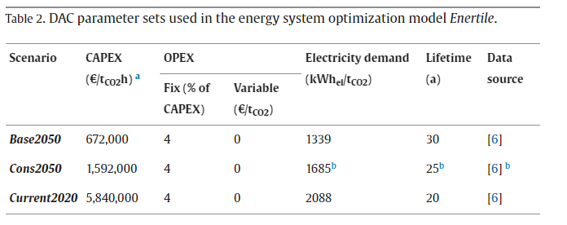

The Current2020 parameter set represents state-of-the-art DAC systems as currently reported
This parameterization assumes that DAC technology will not be substantially developed in the future and serves as a lower bound.

In the Cons2050 (Conservative 2050) parameter set, CAPEX are estimated to be 222 €/tCO2 a for HT DAC and 199 €/tCO2 a for LT DAC
In the Base2050 parameter set, CAPEX are decreased to 93 €/tCO2 a for HT DAC and 84 €/tCO2 a for LT DAC.

For Low-Temperature DAC systems
Scenario | CAPEX (€/tCO2h) | CAPEX (€/tCO2) | CAPEX ($2012/tCO2) |  | Electricity demand (kWh/tCO2)
Base2050 | 672000 | 84 | 65.106048 |  | 1339
Current2020 | 5840000 | 730 | 565.80256 |  | 2088 | Value taken for 2020
Cons2050 (Conservative scenario) | 1592000 | 199 | 154.239328 |  | 1685 | Value taken for 2050

kWh/BTU | 3412
Full load parameter | 8000 | "Potentials of direct air capture and storage in a greenhouse gas-neutral European energy system", 2023 Table 2

Potential (Mt/year)
All scenario | 1350 | value taken

DAC annualized CAPEX (€/tCO2/an)
 | Asset database | Lux & al. Base 2050 | Lux & al. Conservative 2050
2015 | 770
2020 | 729.33333333 | 730 | 730
2030 | 648 | 514.66666667 | 553
2050 | 518 | 84 | 199
EU commission Asset database
CAPEX
 | CAPEX (€/tCO2) | CAPEX ($2012/tCO2)
2015 | 770 | 596.80544
2030 | 648 | 502.246656
2050 | 518 | 401.487296
 |  | values taken

Summary
CAPEX (€/tonCO2) | 2015 | 2020 | 2030 | 2050
Asset database | 770 | 729.33333333 | 648 | 518
Lux & al. Base 2050 |  | 730 | 514.66666667 | 84
Lux & al. Conservative 2050 |  | 730 | 553 | 199

DACD-potential
Mt/yr | 2020 | 2021 | 2022 | 2023 | 2024 | 2025 | 2026 | 2027 | 2028 | 2029 | 2030 | 2031 | 2032 | 2033 | 2034 | 2035 | 2036 | 2037 | 2038 | 2039 | 2040 | 2041 | 2042 | 2043 | 2044 | 2045 | 2046 | 2047 | 2048 | 2049 | 2050
DAC Potential | 0.00E+00 | 0.00E+00 | 0.00E+00 | 0.00E+00 | 0.00E+00 | 0.00E+00 | 0.00E+00 | 0.00E+00 | 0.00E+00 | 0.00E+00 | 0.00E+00 | 6.75E+07 | 1.35E+08 | 2.02E+08 | 2.70E+08 | 3.38E+08 | 4.05E+08 | 4.72E+08 | 5.40E+08 | 6.08E+08 | 6.75E+08 | 7.42E+08 | 8.10E+08 | 8.78E+08 | 9.45E+08 | 1.01E+09 | 1.08E+09 | 1.15E+09 | 1.22E+09 | 1.28E+09 | 1.35E+09

Assumed to be zero until 2030
Interpolated between 0 and 2050 value
2050 value given by Lux et al.

DACD-energyintensity
BTU/ton CO2 | 2020 | 2021 | 2022 | 2023 | 2024 | 2025 | 2026 | 2027 | 2028 | 2029 | 2030 | 2031 | 2032 | 2033 | 2034 | 2035 | 2036 | 2037 | 2038 | 2039 | 2040 | 2041 | 2042 | 2043 | 2044 | 2045 | 2046 | 2047 | 2048 | 2049 | 2050
electricity | 7124256 | 7078421 | 7032587 | 6986752 | 6940918 | 6895083 | 6849249 | 6803414 | 6757580 | 6711745 | 6665911 | 6620076 | 6574242 | 6528407 | 6482573 | 6436738 | 6390903 | 6345069 | 6299234 | 6253400 | 6207565 | 6161731 | 6115896 | 6070062 | 6024227 | 5978393 | 5932558 | 5886724 | 5840889 | 5795055 | 5749220
coal | 0 | 0 | 0 | 0 | 0 | 0 | 0 | 0 | 0 | 0 | 0 | 0 | 0 | 0 | 0 | 0 | 0 | 0 | 0 | 0 | 0 | 0 | 0 | 0 | 0 | 0 | 0 | 0 | 0 | 0 | 0
natural gas | 0 | 0 | 0 | 0 | 0 | 0 | 0 | 0 | 0 | 0 | 0 | 0 | 0 | 0 | 0 | 0 | 0 | 0 | 0 | 0 | 0 | 0 | 0 | 0 | 0 | 0 | 0 | 0 | 0 | 0 | 0
biomass | 0 | 0 | 0 | 0 | 0 | 0 | 0 | 0 | 0 | 0 | 0 | 0 | 0 | 0 | 0 | 0 | 0 | 0 | 0 | 0 | 0 | 0 | 0 | 0 | 0 | 0 | 0 | 0 | 0 | 0 | 0
petroleum diesel | 0 | 0 | 0 | 0 | 0 | 0 | 0 | 0 | 0 | 0 | 0 | 0 | 0 | 0 | 0 | 0 | 0 | 0 | 0 | 0 | 0 | 0 | 0 | 0 | 0 | 0 | 0 | 0 | 0 | 0 | 0
heat | 0 | 0 | 0 | 0 | 0 | 0 | 0 | 0 | 0 | 0 | 0 | 0 | 0 | 0 | 0 | 0 | 0 | 0 | 0 | 0 | 0 | 0 | 0 | 0 | 0 | 0 | 0 | 0 | 0 | 0 | 0
crude oil | 0 | 0 | 0 | 0 | 0 | 0 | 0 | 0 | 0 | 0 | 0 | 0 | 0 | 0 | 0 | 0 | 0 | 0 | 0 | 0 | 0 | 0 | 0 | 0 | 0 | 0 | 0 | 0 | 0 | 0 | 0
heavy or residual fuel oil | 0 | 0 | 0 | 0 | 0 | 0 | 0 | 0 | 0 | 0 | 0 | 0 | 0 | 0 | 0 | 0 | 0 | 0 | 0 | 0 | 0 | 0 | 0 | 0 | 0 | 0 | 0 | 0 | 0 | 0 | 0
LPG propane or butane | 0 | 0 | 0 | 0 | 0 | 0 | 0 | 0 | 0 | 0 | 0 | 0 | 0 | 0 | 0 | 0 | 0 | 0 | 0 | 0 | 0 | 0 | 0 | 0 | 0 | 0 | 0 | 0 | 0 | 0 | 0
hydrogen | 0 | 0 | 0 | 0 | 0 | 0 | 0 | 0 | 0 | 0 | 0 | 0 | 0 | 0 | 0 | 0 | 0 | 0 | 0 | 0 | 0 | 0 | 0 | 0 | 0 | 0 | 0 | 0 | 0 | 0 | 0

Values from Current2020 and Cons2050 scenario | Lux et al.
Interpolated between 2020 and 2050

